Sheet1
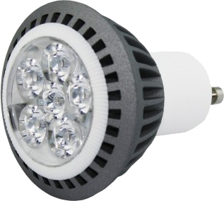
LED Energy Saving Calculator
Current Bulb Wattage |  |  | 50 | ADJUST THE FIGURES IN ORANGE BOXES TO CALCULATE POTENTIAL SAVINGS
LED Bulb Wattage |  |  | 8
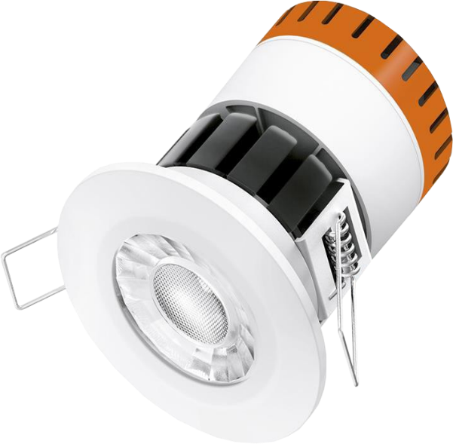
Price of New Bulb |  |  | £18.00
Average Time Used Per Day (hours) |  |  | 8 | Given lamp life |  |  | 50,000 | Hours
Electricity Cost per kWh (£) |  |  | £0.15 | Life Time |  |  | 17.12 | Years
Number of Bulbs to Calculate |  |  | 12
Current Lighting Cost Per Year |  |  | £262.80
LED Lighting Cost Per Year |  |  | £42.05
Switching to LED Lighting saves you |  |  | £220.75

THATS A SAVING OF | £18.40 | PER MONTH AND AN INCREDIBLE |  |  | £3,780 | OVER THE LIFETIME OF THE BULBS.
WITH THESE SAVINGS A BULB WILL EFFECTIVELY PAY FOR ITSELF IN |  |  |  |  |  | 12 | MONTHS.

